Q5
Q) | What are the most common sequences of events before a purchase occurs?

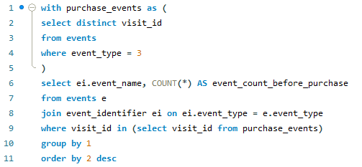
 |  | O/P | event_name | event_count_before_purchase
QUERY |  |  | Page View | 14203
 |  |  | Add to Cart | 6417
 |  |  | Purchase | 1777
 |  |  | Ad Impression | 737
 |  |  | Ad Click | 624

 |  | INSIGHT

 |  | The most common events preceding a purchase reveal key user interactions. Page View events dominated with 14,203 occurrences, indicating extensive product browsing. Add to Cart events followed closely with 6,417 instances, showcasing user interest in specific items. Ad Impression events occurred 737 times, suggesting exposure to advertisements, while Ad Click events, totaling 624 occurrences, highlight active engagement. These patterns underscore the significance of product exploration and ad interaction in driving conversions.

Q7
Q) | What percentage of visits involve page views but do not lead to a purchase event and what percentage of visits include a purchase event?

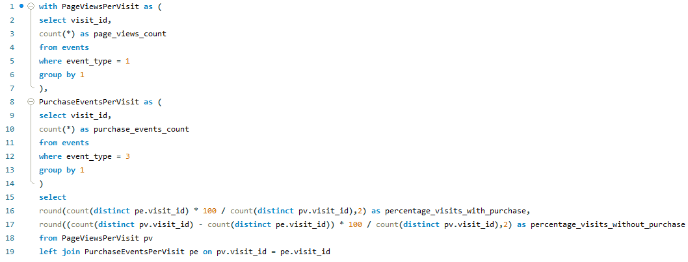
QUERY |  | O/P | percentage_visits_with_purchase | percentage_visits_without_purchase
 |  |  | 49.86 | 50.14

 |  | INSIGHT

 |  | In summary, roughly half (49.86%) of the visits in the dataset led to a purchase event, while the remaining half (50.14%) did not result in a purchase.

Q8
Q) | calculate average number of cookie id for each event?

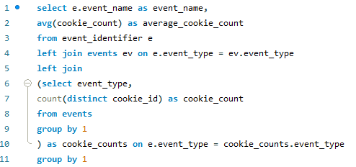
QUERY |  | O/P | event_name | average_cookie_count
 |  |  | Page View | 1782.0000
 |  |  | Add to Cart | 1715.0000
 |  |  | Purchase | 1352.0000
 |  |  | Ad Impression | 876.0000
 |  |  | Ad Click | 702.0000

 |  | INSIGHT

 |  | The analysis reveals the average number of cookie IDs for different events. Page Views and Add to Cart events have high averages, indicating broad engagement and strong purchase intent. Purchase events have slightly fewer IDs, suggesting successful conversions. Ad Impressions have a moderate average, while Ad Clicks have the lowest, indicating a drop-off in engagement. These insights offer valuable understanding of user behavior and engagement levels.

Q10
Q) | calculate total number of cookie id and unique cookie id for each event?

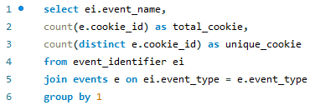
QUERY
 |  |  |  | INSIGHT

 |  |  |  | For each event, the total number of cookie IDs represents all occurrences, while unique cookie IDs indicate the distinct users involved. The Ad Click and Ad Impression events show equal totals and unique counts, implying one unique user per occurrence. However, in Add to Cart and Page View events, the total cookie IDs exceed the unique ones, suggesting multiple actions by some users. In contrast, for Purchase events, the unique cookie count is closer to the total, indicating fewer repetitive actions per user.

O/P | event_name | total_cookie | unique_cookie
 | Ad Click | 702 | 702
 | Ad Impression | 876 | 876
 | Add to Cart | 8451 | 1715
 | Page View | 20928 | 1782
 | Purchase | 1777 | 1352

Q11
Q) | calculate total number of users,unique users and average number of users click on each event?
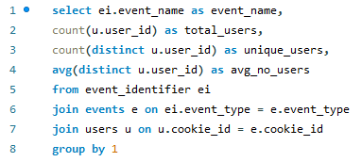

QUERY
 |  |  |  |  | INSIGHT

 |  |  |  |  | The data shows that for each event, the total number of users involved varies. The unique users represent distinct individuals, with the highest number seen in Page View events. The average number of users engaging in each event is relatively consistent, ranging from around 244 to 251, suggesting consistent user participation across different event types.

O/P | event_name | total_users | unique_users | avg_no_users
 | Ad Click | 702 | 397 | 243.9950
 | Ad Impression | 876 | 442 | 249.4661
 | Add to Cart | 8451 | 499 | 250.9659
 | Page View | 20928 | 500 | 250.5000
 | Purchase | 1777 | 484 | 250.6777

Q12
Q) | calculate total number of visits and unique visits for each event?
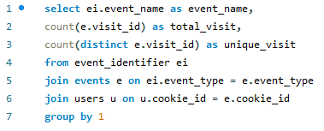

QUERY |  |  |  | INSIGHT

 |  |  |  | The data reveals the total number of visits and unique visits for each event. Notably, Add to Cart and Page View events have higher total and unique visit counts compared to other events, suggesting more frequent engagement with these actions. Unique visits indicate individual sessions, while total visits represent the overall activity volume for each event type.

O/P | event_name | total_visit | unique_visit
 | Ad Click | 702 | 702
 | Ad Impression | 876 | 876
 | Add to Cart | 8451 | 2510
 | Page View | 20928 | 3564
 | Purchase | 1777 | 1777

Q13
Q) | calculate average number of visits for each event?
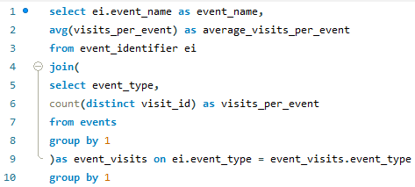

QUERY
 |  |  | INSIGHT

 |  |  | The average number of visits per event varies across different event types. Page Views have the highest average visits, with 3564 visits per event, indicating significant user engagement. Add to Cart follows with 2510 average visits, suggesting strong interest in product exploration. Purchase events have an average of 1777 visits, reflecting conversion rates. Ad Impression and Ad Click events have lower averages at 876 and 702 visits, respectively, underscoring the challenges in driving user interactions in advertising campaigns.

O/P | event_name | average_visits_per_event
 | Page View | 3564.0000
 | Add to Cart | 2510.0000
 | Purchase | 1777.0000
 | Ad Impression | 876.0000
 | Ad Click | 702.0000

Q14
Q) | What are the total and average page views, total and average cart additions, total and average purchases, and the purchase rate for visits with and without ad impression?
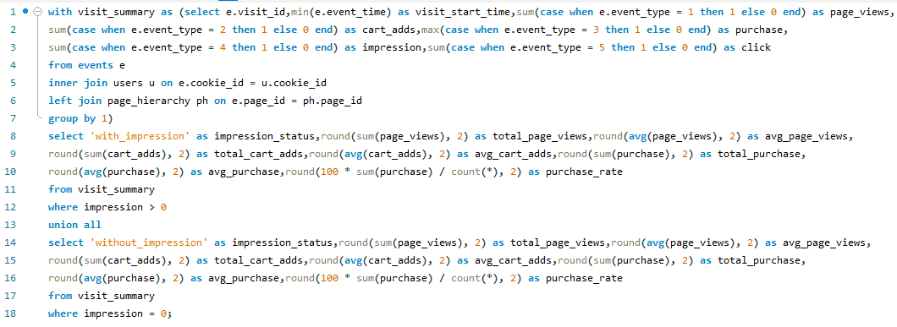

QUERY |  | O/P | impression_status | total_page_views | avg_page_views | total_cart_adds | avg_cart_adds | total_purchase | avg_purchase | purchase_rate
 |  |  | with_impression | 7485 | 8.54 | 4417 | 5.04 | 737 | 0.84 | 84.13
 |  |  | without_impression | 13443 | 5.00 | 4034 | 1.50 | 1040 | 0.39 | 38.69

 |  |  | INSIGHT

 |  |  | Visits with ad impressions had 7485 total page views, 4417 total cart additions, and 737 total purchases, with respective averages of 8.54 page views, 5.04 cart additions, and 0.84 purchases per visit. The purchase rate was 84.13%. Visits without ad impressions had 13443 total page views, 4034 total cart additions, and 1040 total purchases, with averages of 5.00 page views, 1.50 cart additions, and 0.39 purchases per visit, resulting in a purchase rate of 38.69%.

Q15
Q) | What are the total and average page views, total and average cart additions, total and average purchases, and the purchase rate for visits with and without ad clicks?
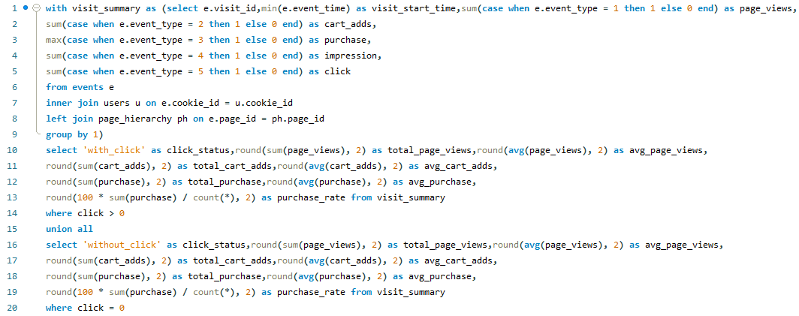

QUERY |  | O/P | click_status | total_page_views | avg_page_views | total_cart_adds | avg_cart_adds | total_purchase | avg_purchase | purchase_rate
 |  |  | with_click | 6370 | 9.07 | 4015 | 5.72 | 624 | 0.89 | 88.89
 |  |  | without_click | 14558 | 5.09 | 4436 | 1.55 | 1153 | 0.40 | 40.29

 |  |  | INSIGHT

 |  |  | Visits with ad clicks had 6370 total page views, 4015 total cart additions, and 624 total purchases, with respective averages of 9.07 page views, 5.72 cart additions, and 0.89 purchases per visit. The purchase rate was 88.89%. Visits without ad clicks had 14558 total page views, 4436 total cart additions, and 1153 total purchases, with averages of 5.09 page views, 1.55 cart additions, and 0.40 purchases per visit, resulting in a purchase rate of 40.29%.

Q16
Q) | What is the purchase rate for visits where users interacted with the website by clicking, for visits without impressions & for visits with impressions but without clicks?
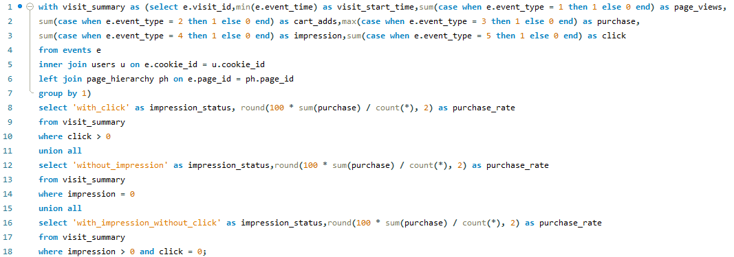

QUERY |  | O/P | impression_status | purchase_rate
 |  |  | with_click | 88.89
 |  |  | without_impression | 38.69
 |  |  | with_impression_without_click | 64.94

 |  |  | INSIGHT

 |  |  | The purchase rate for visits where users interacted with the website by clicking is 88.89%. For visits without impressions, the purchase rate is 38.69%. For visits with impressions but without clicks, the purchase rate is 64.94%.

